Problem 1
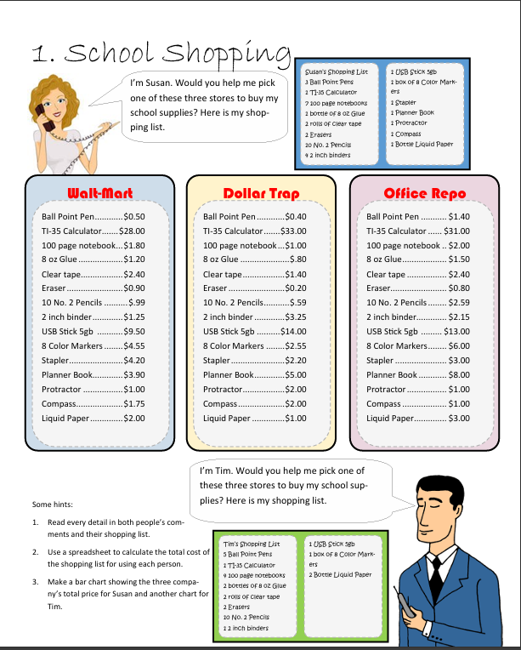
 |  |  |  |  | What formula will tell you how much three ball point pens cost at WaltMart?
 | WaltMart | Dollar Trap | Office Repo | Susan | WaltMart | Dollar Trap | Office Repo | Tim | WaltMart | Dollar Trap | Office Repo
Ball Point Pen | $0.50 | $0.40 | $1.40 | 3 | $1.50 | $1.20 | $4.20 | 5 | $2.50 | $2.00 | $7.00
TI-35 Calculator | $28.00 | $33.00 | $31.00 | 1 | $28.00 | $33.00 | $31.00 | 2 | $56.00 | $66.00 | $62.00
100 page notebook | $1.80 | $1.00 | $2.00 | 7 | $12.60 | $7.00 | $14.00 | 4 | $7.20 | $4.00 | $8.00
8 oz Glue | $1.20 | $0.80 | $1.50 | 1 | $1.20 | $0.80 | $1.50 | 2 | $2.40 | $1.60 | $3.00
Clear tape | $2.40 | $1.40 | $2.40 | 2 | $4.80 | $2.80 | $4.80 | 2 | $4.80 | $2.80 | $4.80
Eraser | $0.90 | $0.20 | $0.80 | 2 | $1.80 | $0.40 | $1.60 | 2 | $1.80 | $0.40 | $1.60
10 No.2 Pencils | $0.99 | $0.59 | $2.59 | 1 | $0.99 | $0.59 | $2.59 | 20 | $19.80 | $11.80 | $51.80
8 Color Markers | $1.25 | $3.25 | $2.15 | 4 | $5.00 | $13.00 | $8.60 | 2 | $2.50 | $6.50 | $4.30
2 inch binder | $9.50 | $14.00 | $13.00 | 1 | $9.50 | $14.00 | $13.00 | 1 | $9.50 | $14.00 | $13.00
USB Stick 5gb | $4.55 | $2.55 | $6.00 | 1 | $4.55 | $2.55 | $6.00 | 1 | $4.55 | $2.55 | $6.00
Stapler | $4.20 | $2.20 | $3.00 | 1 | $4.20 | $2.20 | $3.00 | 2 | $8.40 | $4.40 | $6.00
Planner Book | $3.90 | $5.00 | $8.00 | 1 | $3.90 | $5.00 | $8.00 |  | $- | $- | $-
Protractor | $1.00 | $2.00 | $1.00 | 1 | $1.00 | $2.00 | $1.00 |  | $- | $- | $-
Compass | $1.75 | $2.00 | $1.00 | 1 | $1.75 | $2.00 | $1.00 |  | $- | $- | $-
Liquid Paper | $2.00 | $1.00 | $3.00 | 1 | $2.00 | $1.00 | $3.00 |  | $- | $- | $-
 |  |  |  |  | WaltMart | Dollar Trap | Office Repo |  | WaltMart | Dollar Trap | Office Repo
 |  |  |  | Total | $82.79 | $87.54 | $103.29 | Total | $119.45 | $116.05 | $167.50

Total prices of stores for Susan
Total prices of stores for Tim
 | 1. Find out the total cost at each store for Sunsa`s list.
 | 2. Create a bar chart that compares the three stores.
 | 3. Copy Susan`s list and past it in column k
 | 4. Change the name and number of items to match Tim`s shopping list
 | 5. Create a bar chart showing the three store prices for Tim

Problem 2
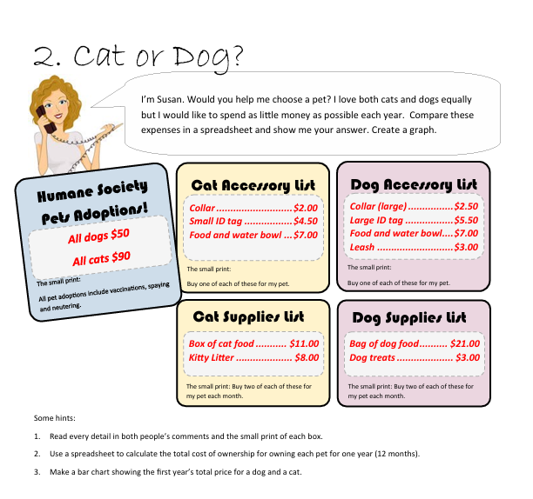
 | Dog | Cat
Initial
Purchase | $50.00 | $90.00
Collar | $2.50 | $2.00
Tag | $5.50 | $4.50
Bowl | $7.00 | $7.00
Leash | $3.00 | $-
Initial Total | $68.00 | $103.50

Monthly
Food | $21.00 | $11.00
Litter | $- | $8.00
Treats | $3.00 | $-
Subtotal | $24.00 | $19.00
Monthly Total | $48.00 | $38.00 | subtotal * 2 because she want to buy 2 every month
 | Dog | Cat
One Year Costs | $576.00 | $456.00
Dog vs Cat prices

Problem 3
Susan | Chicago Museum | Orlando Theme Park | Miami Cruise | Tim | Chicago Museum | Orlando Theme Park | Miami Cruise

Per Person Expenses |  |  |  | Per Person Expenses
Air Fare | $280.00 | $100.00 | $350.00 | Air Fare | $280.00 | $100.00 | $350.00
Natural History | $18.00 | $- | $- | Natural History | $18.00 | $- | $-
Chicago Museum of Art | $25.00 | $- | $- | Chicago Museum of Art | $25.00 | $- | $-
Science Museum | $15.00 | $- | $- | Science Museum | $15.00 | $- | $-
Museum of Broadcast History | $9.00 | $- | $- | Museum of Broadcast History | $9.00 | $- | $-
Disneyland | $- | $99.00 | $- | Disneyland | $- | $99.00 | $-
Universal Studios | $- | $95.00 | $- | Universal Studios | $- | $95.00 | $-
Sea World | $- | $85.00 | $- | Sea World | $- | $85.00 | $-
Busch Gardens | $- | $85.00 | $- | Busch Gardens | $- | $85.00 | $-
Cruise | $- | $- | $- | Cruise | $- | $- | $-
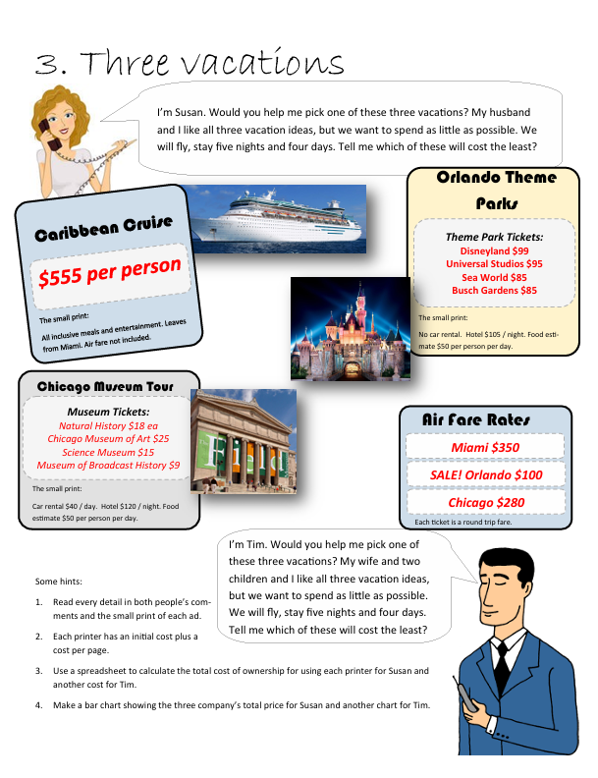
Subtotal of Tickets (per person) | 1 | 1 | 1 | Subtotal of Tickets (per person) | 1 | 1 | 1
Number of People in group | 2 | 2 | 2 | Number of People in group | 4 | 4 | 4
Total costs of tickets | $560.00 | $200.00 | $700.00 | Total costs of tickets | $1,120.00 | $400.00 | $1,400.00

Hotel Expenses |  |  |  | Hotel Expenses
Hotel Cost per Night | $120.00 | $105.00 | $- | Hotel Cost per Night | $120.00 | $105.00 | $-
Number of Nights | 5 | 5 | 0 | Number of Nights | 5 | 5 | 0
Hotel Total | $600.00 | $525.00 | $- | Hotel Total | $600.00 | $525.00 | $-

Car rental expenses | $40.00 | $- | $- | Car rental expenses | $40.00 | $- | $-
Number of days | 4 | 0 | 0 | Number of days | 4 | 0 | 0
Car rental total | $160.00 | $- | $- | Car rental total | $160.00 | $- | $-

 | Chicago Museum | Orlando Theme Park | Miami Cruise |  | Chicago Museum | Orlando Theme Park | Miami Cruise
Total | $13,547.00 | $7,714.00 | $7,350.00 | Total | $19,147.00 | $9,714.00 | $14,350.00
Susan Vacantion
Tim Vacantion

Problem 4
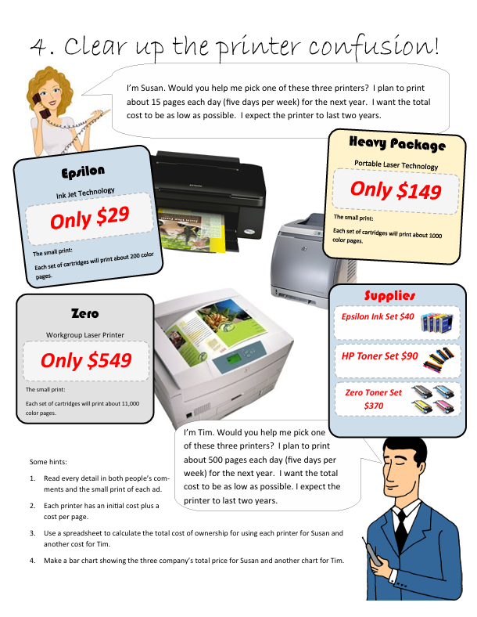
Susan | Epsilon | HV | Zero | Tim | Epsilon | HV | Zero
Purchase Price | $29.00 | $149.00 | $549.00 | Purchase Price | $29.00 | $149.00 | $549.00

Cost of Set of Cartridges | $40.00 | $90.00 | $370.00 | Cost of Set of Cartridges | $40.00 | $90.00 | $370.00
Pages cartridge can print | 200 | 1000 | 11000 | Pages cartridge can print | 200 | 1000 | 11000
Cost Per page | $5.00 | $11.11 | $29.73 | Cost Per page | $5.00 | $11.11 | $29.73

Expected Pages Per day | 15 |  |  | Expected Pages Per day | 500
Days in Week | 5 |  |  | Days in Week | 5
Weeks in Year | 50 |  |  | Weeks in Year | 50
Total Pages in Year | 3750 |  |  | Total Pages in Year | 3750

Pages per year | 3750 | 3750 | 3750 | Pages per year | 125000 | 125000 | 125000
Printing Costs per year | 7500 | 7500 | 7500 | Printing Costs per year | 250000 | 250000 | 250000
Years | 2 | 2 | 2 | Years | 2 | 2 | 2

Total Printing Cost | 37.5 | 7.5 | 0.68 | Total Printing Cost | 1250 | 250 | 22.73
 | Epsilon | HV | Zero |  | Epsilon | HV | Zero
Total Cost | $1,500.00 | $675.00 | $252.27 | Total Cost | $50,000.00 | $22,500.00 | $8,409.09
Total Cost 2 years | $1,529.00 | $824.00 | $801.27 | Total Cost 2 years | $50,029.00 | $22,649.00 | $8,958.09

Susan printer
Tim printer

Problem 5
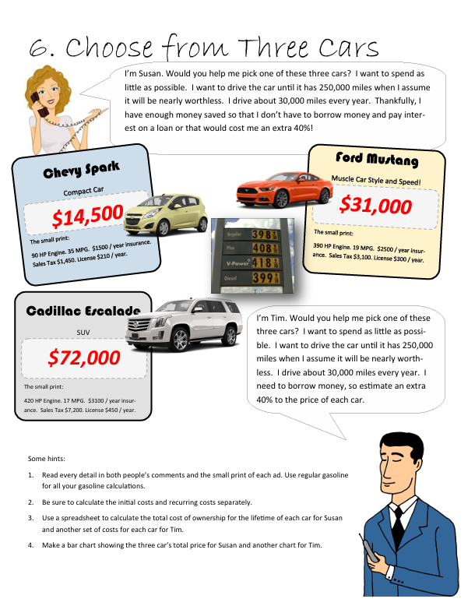
Susan | Spark | Mustang | Escalade | Tim | Spark | Mustang | Escalade
Initial Costs | $14,500 | $31,000 | $72,000 | Initial Costs | $20,300 | $20,300 | $20,300
Purchase Price | $13,050 | $27,900 | $64,800 | Purchase Price | $17,458 | $17,458 | $17,458
Taxes | $1,450 | $3,100 | $7,200 | Taxes | $2,030 | $2,030 | $2,030

Yearly Cost | $30.00 | $30.00 | $30.00 | Yearly Cost | $30.00 | $30.00 | $30.00
Insurance | $1,500.00 | $2,500.00 | $3,100.00 | Insurance | $1,500.00 | $2,500.00 | $3,100.00
Licence | $210.00 | $300.00 | $450.00 | Licence | $210.00 | $300.00 | $450.00
Gas | $3.00 | $3.00 | $3.00 | Gas | $3.00 | $3.00 | $3.00

Gas Cost Calculation | $2,571.43 | $4,736.84 | $5,294.12 | Gas Cost Calculation | $2,571.43 | $4,736.84 | $5,294.12
Miles per year drive | 30000 | 30000 | 30000 | Miles per year drive | 30000 | 30000 | 30000
MPG | 35 | 19 | 17 | MPG | 35 | 19 | 17
Price per gal of gas | $3.00 | $3.00 | $3.00 | Price per gal of gas | $3.00 | $3.00 | $3.00
Total Annual Gas purchases | $2,571.43 | $4,736.84 | $5,294.12 | Total Annual Gas purchases | $2,571.43 | $4,736.84 | $5,294.12

Total Annual Costs (Ins+lic+Gas) | $4,281.43 | $7,536.84 | $8,844.12 | Total Annual Costs (Ins+lic+Gas) | $4,281.43 | $7,536.84 | $8,844.12

Miles to drive each year | 30000 | 30000 | 30000 | Miles to drive each year | 30000 | 30000 | 30000
Susan`s goal for maximum miles | 250000 | 250000 | 250000 | Susan`s goal for maximum miles | 250000 | 250000 | 250000
Total Life of the Car (years) | 8.33 | 8.33 | 8.33 | Total Life of the Car (years) | 8.33 | 8.33 | 8.33

Annual Costs X Years of Life | $35,678.57 | $62,807.02 | $73,700.98 | Annual Costs X Years of Life | $35,678.57 | $62,807.02 | $73,700.98

Total Lifetime Costs | $50,178.57 | $93,807.02 | $145,700.98 | Total Lifetime Costs | $55,978.57 | $83,107.02 | $94,000.98
 | Spark | Mustang | Escalade |  | Spark | Mustang | Escalade
Avg Cost/Year | $6,021.43 | $11,256.84 | $17,484.12 | Avg Cost/Year | $6,717.43 | $9,972.84 | $11,280.12

